Workout
Accounting and Financial Analysis

Workout
 | Calculate operating profit, EBIT and EBITDA in all periods.
 | Assume "foreign exchange (loss) gain, net" in this case is non operational.

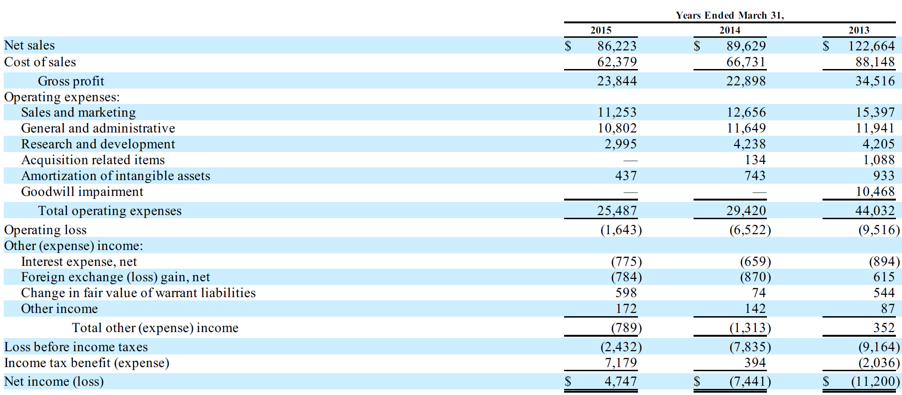

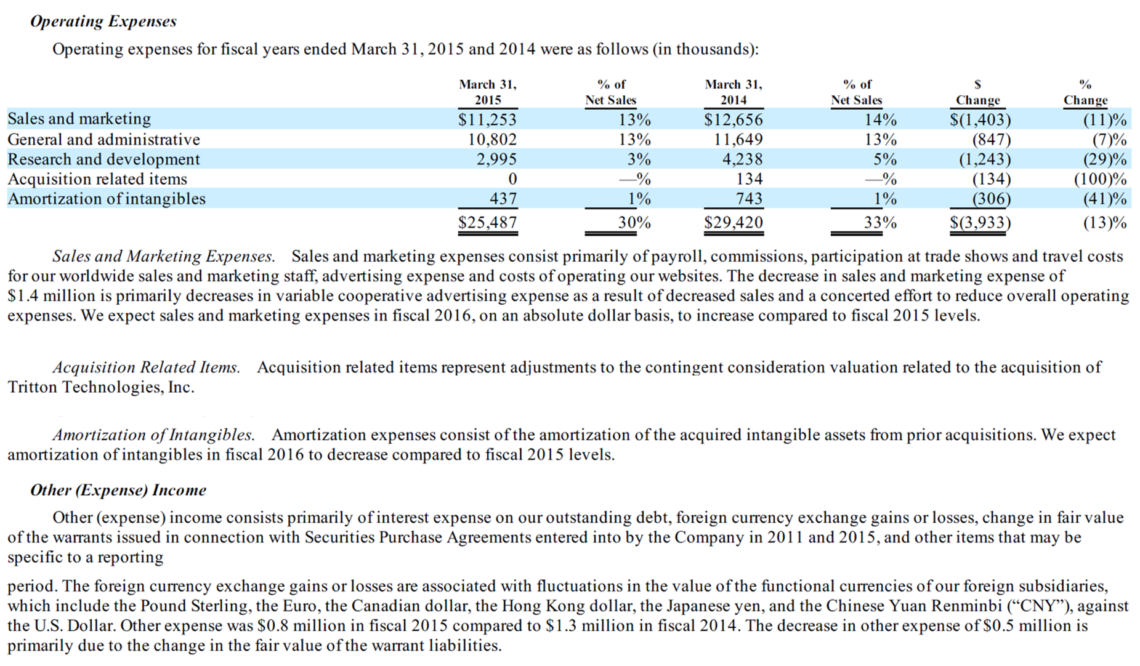

 |  | 2015 | 2014 | 2013
 | Operating loss as reported | (1,643.0) | (6,522.0) | (9,516.0)
 | Acquisition related items | 0.0 | 134.0 | 1,088.0
 | Goodwill impairment | 0.0 | 0.0 | 10,468.0
 | EBIT | (1,643.0) | (6,388.0) | 2,040.0
 | Depreciation and amortization | 2,050.0 | 2,568.0 | 3,022.0
 | EBITDA | 407.0 | (3,820.0) | 5,062.0

End

